Instructions
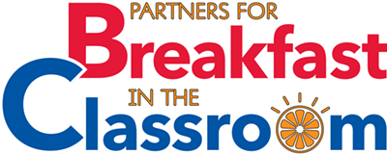
The Partners for Breakfast in the Classroom (PBIC) Grant is a unique grant opportunity because PBIC feels strongly that each school and school district is unique. This grant is designed to encourage schools/districts to meet with stakeholders in each school and discuss how the program will look in that particuular school and then systematically identify what items that school community would need to implement a sustainable program. Please fill out sheets 1-11 after conducting a self-assessment form for each school that you are requesting to be funded.

Sheet 1: Please provide your district level information.
Sheet 2: Provide a list of school and community stakeholders that you have met with and have helped you assess your schools/district's needs. Describe the steps that you took to garner stakeholder support.
Sheet 3: List all of the schools that you would like to fund in this BIC grant application and their enrollment and school meal participation data.
Sheet 4: Describe your BIC program. Give the details of how you envision implementation to look.
Sheet 5: List your full budget request.
Sheet 6: Show your meal costs and anticipated service goal to calculate whether or not your program will be financially sustainable.
Sheet 7: Describe the steps that you will take to implement your program.
Sheet 8: Identify all of the equipment that you will need to implement your program.
Sheet 9: Describe your marketing request for this grant.
Sheet 10: Describe your training request for this grant.
Sheet 11: Describe your staffing request for this grant.
*Please note that many of the worksheets have examples filled in. Please delete those examples before submitting.
Submit all applications to: partnersbic@outlook.com or via fax to 301.686.3115 (Attention: Sarah Murphy)

